Industrial Media Converters
Shenzhen SmartByte Technology Co.,Ltd Address.: D Buliding, Huiqing Science & Technology Park, Dafu Industrial Area, Kukeng Community, Guanlan, Longhua District, Shenzhen, China Web: www.smartbyte-switch.com E-mail: peter@smartbyte.com.cn Mobile/Wechat/Whatsapp/Skype: +8613714293521
Picture | SmartByte Model | Description & Highlight | Unit price/RMB 未税 | SC models(dual fiber ,20KM),industrial version
Unmanaged Ultra-compact Industrial Fast Media Converters(PoE/Non-PoE)
 | LT-IMC30F-E | ● 1*10/100Base-TX RJ45 port, 1*100Base-FX SFP(/SC/ST/FC optional) fiber port ● DC 12~58V input, redundant power supply with polarity reverse/over-voltage protection ● Powerful Dip switch function: 1.LFP ; 2.Flow control; 3.Broadcast storm restrain; 4.10Kbytes jumbo frame ●Support watchdog, it can reboot automatically if the device is frozen ●Support 4KV surge protection and ESD: Air-15kV, Contact-8kV Protection ●IP40 fan-less and Din-rail hardware design with compact size (30*85*85mm) ● Operation temperature: -40 ℃ ~+75℃ | ￥110 | ￥140
 | LT-IMC30FP-E | ● 1*10/100Base-TX RJ45 PoE/PoE+ port, 1*100Base-FX SFP(/SC/ST/FC optional) fiber port ● DC 44~57V input, redundant power supply with polarity reverse/over-voltage protection ●Complies with IEEE802.3af PoE and IEEE802.3at PoE+ standard ● Powerful Dip switch function: 1.LFP; 2. Flow control; 3. 250m long distance; 4.PoE watchdog ●Support watchdog, it can reboot automatically if the device is frozen ●Support 4KV surge protection and ESD: Air-15kV, Contact-8kV Protection ●IP40 fan-less and Din-rail hardware design with compact size (30*85*85mm) ● Operation temperature: -40 ℃ ~+75℃ | ￥140 | ￥170
 | LT-IMC30F-1FX2TX-E | ● 2*10/100Base-TX RJ45 port, 1*100Base-FX SFP(/SC/ST/FC optional) fiber port ● DC 12~58V input, redundant power supply with polarity reverse/over-voltage protection ● Powerful Dip switch function: 1.Port isolation; 2. Flow control; 3. Broadcast storm restrain 4. 10K Bytes Jumbo frame ● Support 1M large buffer ●Support watchdog, it can reboot automatically if the device is frozen ●Support 4KV surge protection and ESD: Air-15kV, Contact-8kV Protection ●IP40 fan-less and Din-rail hardware design with compact size (30*85*85mm) ● Operation temperature: -40 ℃ ~+75℃ | ￥120 | ￥150
 | LT-IMC30FP-1FX2TX-E | ● 2*10/100Base-TX RJ45 PoE/PoE+ port, 1*100Base-FX SFP(/SC/ST/FC optional) fiber port ● DC 44~57V input, redundant power supply with polarity reverse/over-voltage protection ●Complies with IEEE802.3af PoE and IEEE802.3at PoE+ standard ● Powerful Dip switch function: 1.Port isolation; 2. Flow control; 3.250m long distance; 4.PoE watchdog ● Support 1M large buffer ●Support watchdog, it can reboot automatically if the device is frozen ●Support 4KV surge protection and ESD: Air-15kV, Contact-8kV Protection ●IP40 fan-less and Din-rail hardware design with compact size (30*85*85mm) ● Operation temperature: -40 ℃ ~+75℃ | ￥150 | ￥180
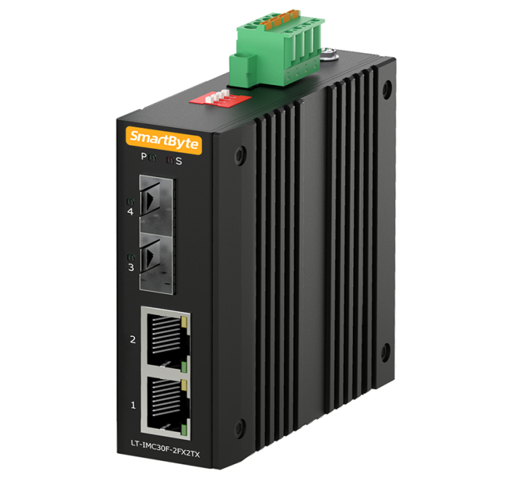 | LT-IMC30F-2FX2TX-E | ● 2*10/100Base-TX RJ45 port, 2*100Base-FX SFP port ● DC 12~58V input, redundant power supply with polarity reverse/over-voltage protection ● Powerful Dip switch function: 1.Fiber redundant; 2. Flow control; 3.Broadcast storm restrain; 4. 10K Bytes Jumbo frame ● Support 1M large buffer ●Support watchdog, it can reboot automatically if the device is frozen ●Support 4KV surge protection and ESD: Air-15kV, Contact-8kV Protection ●IP40 fan-less and Din-rail hardware design with compact size (30*85*85mm) ● Operation temperature: -40 ℃ ~+75℃ | ￥140 | do not support SC/ST/FC
 | LT-IMC30FP-2FX2TX-E | ● 2*10/100Base-TX RJ45 PoE/PoE+ port, 2*100Base-FX SFP port ● DC 44~57V input, redundant power supply with polarity reverse/over-voltage protection ●Complies with IEEE802.3af PoE and IEEE802.3at PoE+ standard ● Powerful Dip switch function: 1.Fiber redundant; 2. Flow control; 3.250m long distance; 4.PoE watchdog ● Support 10K Bytes Jumbo frame and 1M large buffer ●Support watchdog, it can reboot automatically if the device is frozen ●Support 4KV surge protection and ESD: Air-15kV, Contact-8kV Protection ●IP40 fan-less and Din-rail hardware design with compact size (30*85*85mm) ● Operation temperature: -40 ℃ ~+75℃ | ￥170 | do not support SC/ST/FC
Unmanaged Ultra-compact Industrial Gigabit Media Converters(PoE/Non-PoE)
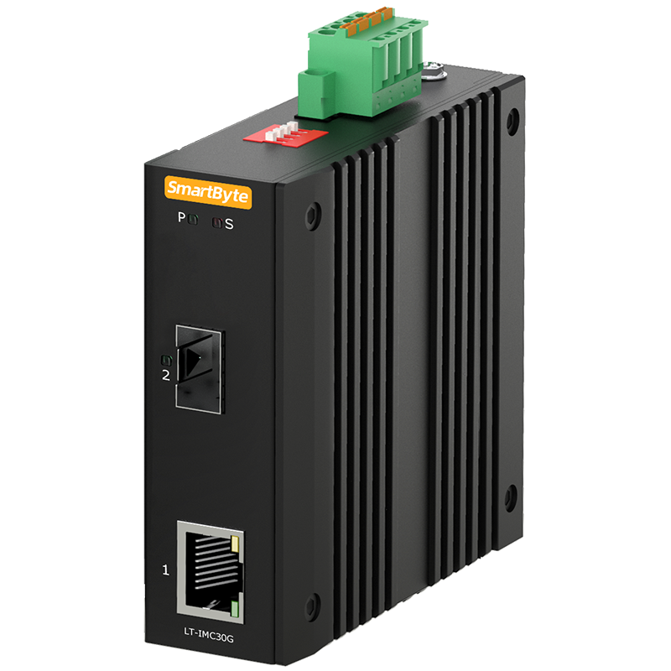 | LT-IMC30G-E | ●1*10/100/1000Base-T RJ45 port, 1*100/1000Base-X SFP(/SC/ST/FC optional) fiber port ● DC 12~58V input, redundant power supply with polarity reverse/over-voltage protection ● Powerful Dip switch function: 1.LFP; 2. Flow control; 3. Broadcast storm restrain; 4.fiber port 100/1000M selection ● Support 10K Bytes Jumbo frame and 1M large buffer ●Support watchdog, it can reboot automatically if the device is frozen ●Support 4KV surge protection and ESD: Air-15kV, Contact-8kV Protection ●IP40 fan-less and Din-rail hardware design with compact size (30*85*85mm) ● Operation temperature: -40 ℃ ~+75℃ | ￥125 | ￥160
 | LT-IMC30GP-E | ● 1*10/100/1000Base-T RJ45 PoE/PoE+ port, 1*100/1000Base-X SFP(/SC/ST/FC optional) fiber port ● DC 44~57V input, redundant power supply with polarity reverse/over-voltage protection ●Complies with IEEE802.3af PoE and IEEE802.3at PoE+ standard ● Powerful Dip switch function: 1.LFP; 2.Fiber port 100/1000M selection; 3.250m long distance; 4.PoE watchdog ● Support 10K Bytes Jumbo frame and 1M large buffer ●Support watchdog, it can reboot automatically if the device is frozen ●Support 4KV surge protection and ESD: Air-15kV, Contact-8kV Protection ●IP40 fan-less and Din-rail hardware design with compact size (30*85*85mm) ● Operation temperature: -40 ℃ ~+75℃ | ￥155 | ￥190
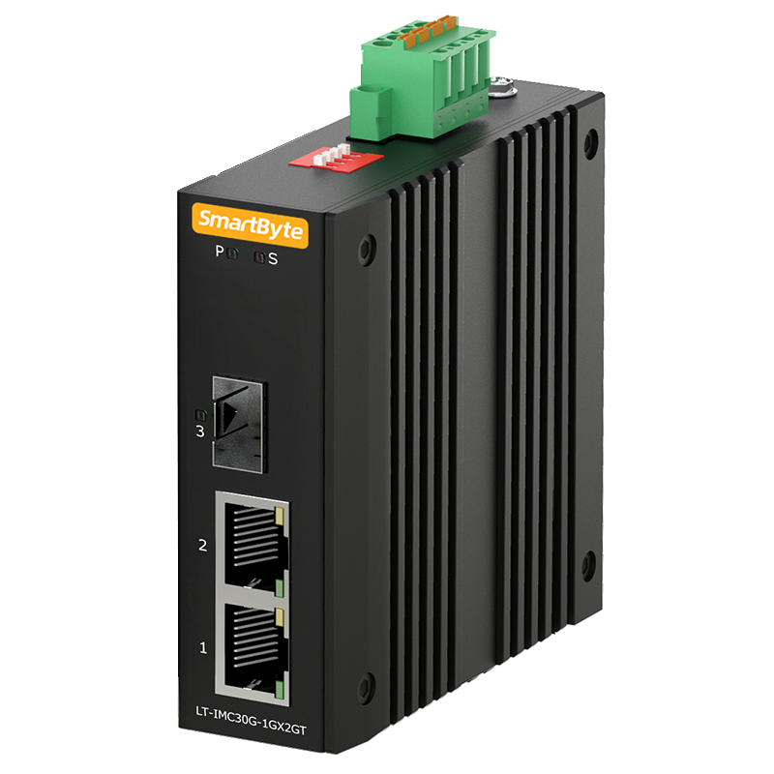 | LT-IMC30G-1GX2GT-E | ● 2*10/100/1000Base-T RJ45 ports, 1*100/1000Base-X SFP(/SC/ST/FC optional) fiber port ● DC 12~58V input, redundant power supply with polarity reverse/over-voltage protection ● Powerful Dip switch function: 1.Port isolation; 2.Flow control; 3.Broadcast storm restrain; 4.Fiber port 100/1000M selection ● Support 10K Bytes Jumbo frame and 1M large buffer ●Support watchdog, it can reboot automatically if the device is frozen ●Support 4KV surge protection and ESD: Air-15kV, Contact-8kV Protection ●IP40 fan-less and Din-rail hardware design with compact size (30*85*85mm) ● Operation temperature: -40 ℃ ~+75℃ | ￥135 | ￥170
 | LT-IMC30GP-1GX2GT-E | ● 2*10/100/1000Base-T RJ45 PoE/PoE+ ports, 1*100/1000Base-X SFP(/SC/ST/FC optional) fiber port ● DC 44~57V input, redundant power supply with polarity reverse/over-voltage protection ●Complies with IEEE802.3af PoE and IEEE802.3at PoE+ standard ● Powerful Dip switch function: 1.Port isolation; 2. Fiber port 100/1000M selection; 3. 250m long distance; 4.PoE watchdog ● Support 10K Bytes Jumbo frame and 1M large buffer ●Support watchdog, it can reboot automatically if the device is frozen ●Support 4KV surge protection and ESD: Air-15kV, Contact-8kV Protection ●IP40 fan-less and Din-rail hardware design with compact size (30*85*85mm) ● Operation temperature: -40 ℃ ~+75℃ | ￥165 | ￥200
 | LT-IMC30G-2GX2GT-E | ● 2*2*10/100/1000Base-T RJ45 ports, 2*100/1000Base-X SFP ports ● DC 12~58V input, redundant power supply with polarity reverse/over-voltage protection ● Powerful Dip switch function: 1.Port redundant; 2.Flow control; 3.Broadcast storm restrain; 4.Fiber port 100/1000M selection ● Support 10K Bytes Jumbo frame and 1M large buffer ●Support watchdog, it can reboot automatically if the device is frozen ●Support 4KV surge protection and ESD: Air-15kV, Contact-8kV Protection ●IP40 fan-less and Din-rail hardware design with compact size (30*85*85mm) ● Operation temperature: -40 ℃ ~+75℃ | ￥155 | do not support SC/ST/FC
 | LT-IMC30GP-2GX2GT-E | ● 2*10/100/1000Base-T RJ45 PoE ports, 2*100/1000Base-X SFP ports ● DC 44~57V input, redundant power supply with polarity reverse/over-voltage protection ●Complies with IEEE802.3af PoE and IEEE802.3at PoE+ standard ● Powerful Dip switch function: 1.Port redundant; 2. Fiber port 100/1000M selection; 3. 250m long distance; 4.PoE watchdog ● Support 10K Bytes Jumbo frame and 1M large buffer ●Support watchdog, it can reboot automatically if the device is frozen ●Support 4KV surge protection and ESD: Air-15kV, Contact-8kV Protection ●IP40 fan-less and Din-rail hardware design with compact size (30*85*85mm) ● Operation temperature: -40 ℃ ~+75℃ | ￥185 | do not support SC/ST/FC

Unmanaged Industrial Switches
Shenzhen SmartByte Technology Co.,Ltd Address.: D Buliding, Huiqing Science & Technology Park, Dafu Industrial Area, Kukeng Community, Guanlan, Longhua District, Shenzhen, China Web: www.smartbyte-switch.com E-mail: peter@smartbyte.com.cn Mobile/Wechat/Whatsapp/Skype: +8613714293521
Picture | SmartByte Model | Description & Highlight | Unit price/RMB未税
Unmanaged Industrial Ethernet Switches
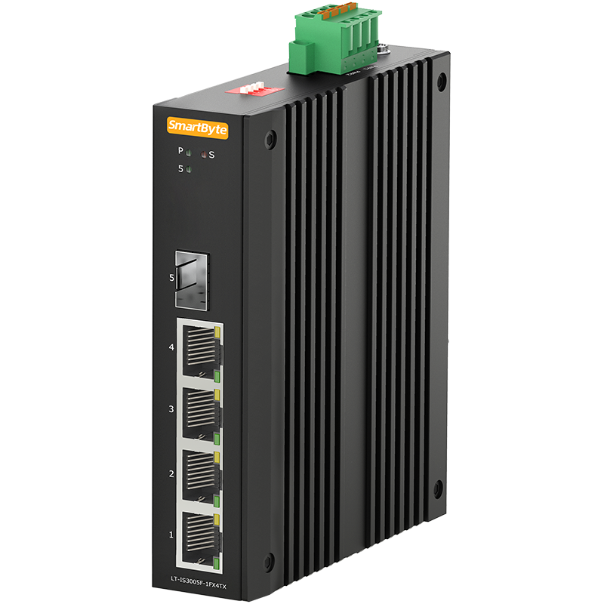 | LT-IS3005F-1FX4TX | ● 4*10/100Base-TX RJ45 ports, 1*100Base-FX SFP(/SC/ST/FC optional) fiber port ● DC 12~58V input, redundant power supply with polarity reverse/over-voltage protection ● Powerful Dip switch function: 1..Port isolation; 2. Flow control; 3. QoS; 4. Broadcast storm restrain ●Support 4KV surge protection and ESD: Air-15kV, Contact-8kV Protection ●IP40 fan-less and Din-rail hardware design ● Operation temperature: -40 ℃ ~+75℃ | ￥130
 | LT-IS3005F-5TX-M | ● 5*10/100Base-TX RJ45 ports ● DC 12~36V input, redundant power supply with polarity reverse/over-voltage protection ● Support 10K Bytes Jumbo frame ● Support 4KV surge protection and ESD: Air-15kV, Contact-8kV Protection ● IP40 fan-less and Din-rail hardware with compact size design ● Operation temperature: -40 ℃ ~+75℃ | ￥85
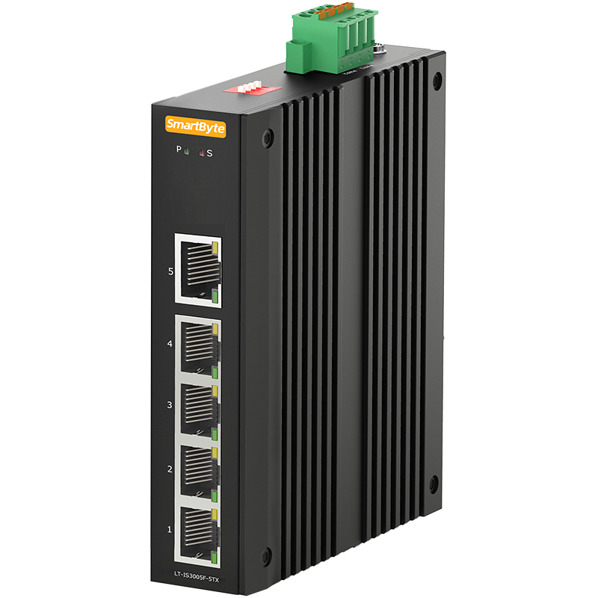 | LT-IS3005F-5TX-E | ● 5*10/100Base-TX RJ45 ports（NO.5 is the uplink port) ● DC 12~58V input, redundant power supply with polarity reverse/over-voltage protection ● Powerful Dip switch function: 1..Port isolation; 2. Flow control; 3. QoS; 4. Broadcast storm restrain ●Support 4KV surge protection and ESD: Air-15kV, Contact-8kV Protection ●IP40 fan-less and Din-rail hardware design ● Operation temperature: -40 ℃ ~+75℃ | ￥122
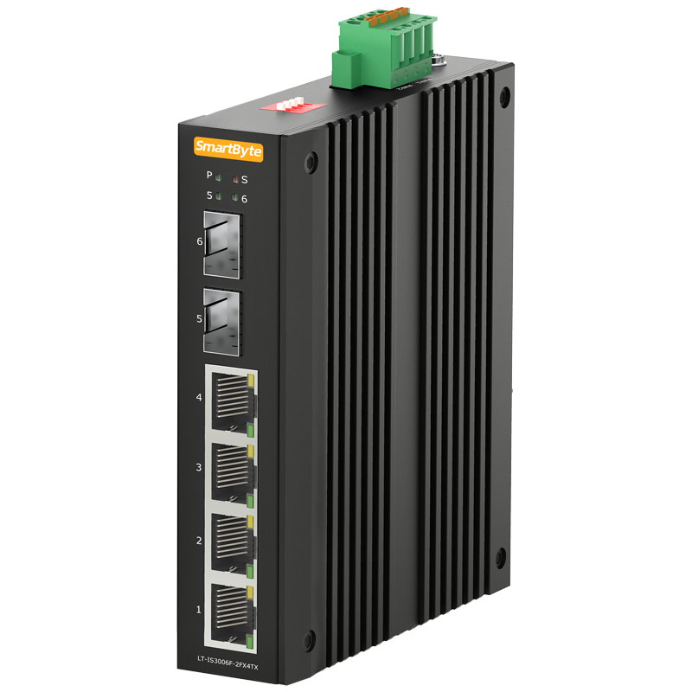 | LT-IS3006F-2FX4TX | ● 4*10/100Base-TX RJ45 ports, 2*100Base-FX SFP fiber ports ● DC 12~58V input, redundant power supply with polarity reverse/over-voltage protection ● Powerful Dip switch function: 1..Port isolation; 2. Flow control; 3. QoS; 4. Broadcast storm restrain ●Support 4KV surge protection and ESD: Air-15kV, Contact-8kV Protection ●IP40 fan-less and Din-rail hardware design ● Operation temperature: -40 ℃ ~+75℃ | ￥140
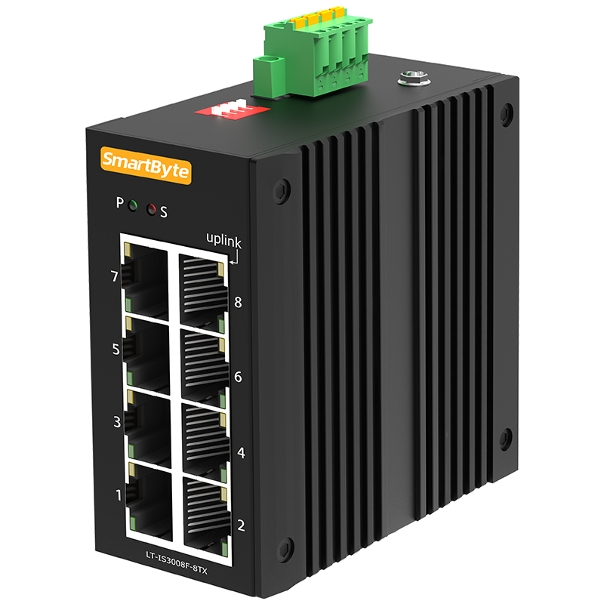 | LT-IS3008F-8TX | ● 8*10/100M RJ45 ports(No.8 is uplink port) ● DC 12~58V input, redundant power supply with polarity reverse/over-voltage protection ● Powerful Dip switch function: 1..Port isolation; 2. Flow control; 3. QoS; 4. Broadcast storm restrain ●Support 10K Bytes Jumbo frame ●Support 4KV surge protection and ESD: Air-15kV, Contact-8kV Protection ●IP40 fan-less and Din-rail hardware design ● Operation temperature: -40 ℃ ~+75℃ | ￥136
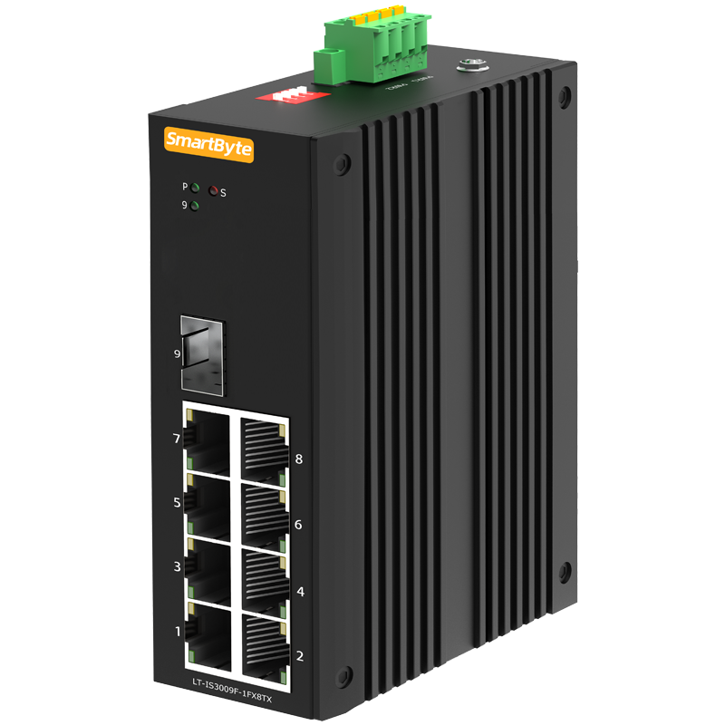 | LT-IS3009F-1FX8TX | ● 8*10/100Base-TX RJ45 ports, 1*100Base-FX SFP(/SC/ST/FC optional) fiber port ● DC 12~58V input, redundant power supply with polarity reverse/over-voltage protection ● Powerful Dip switch function: 1..Port isolation; 2. Flow control; 3. QoS; 4. Broadcast storm restrain ●Support 4KV surge protection and ESD: Air-15kV, Contact-8kV Protection ●IP40 fan-less and Din-rail hardware design ● Operation temperature: -40 ℃ ~+75℃ | ￥155
 | LT-IS3005G-5GT-M | ● 5*10/100/1000Base-TX RJ45 ports ● DC 12~36V input, redundant power supply with polarity reverse/over-voltage protection ● Support 10K Bytes Jumbo frame ● Support 4KV surge protection and ESD: Air-15kV, Contact-8kV Protection ● IP40 fan-less and Din-rail hardware with compact size design ● Operation temperature: -40 ℃ ~+75℃ | ￥95
 | LT-IS3005G-5GT | ● 4*10/100/1000Base-T RJ45 ports downlink, 1*10/100/1000Base-T RJ45 port uplink ● DC 12~58V input, redundant power supply with polarity reverse/over-voltage protection ● Powerful Dip switch function: 1..Port isolation; 2. Flow control; 3. QoS; 4. Broadcast storm restrain ●Support 10K Bytes Jumbo frame ●Support 4KV surge protection and ESD: Air-15kV, Contact-8kV Protection ●IP40 fan-less and Din-rail hardware design ● Operation temperature: -40 ℃ ~+75℃ | ￥134
 | LT-IS3005G-1GX4GT | ● 4*10/100/1000M RJ45 ports, 1*1000Base-X SFP(/SC/ST/FC optional) fiber port ● DC 12~58V input, redundant power supply with polarity reverse/over-voltage protection ● Powerful Dip switch function: 1..Port isolation; 2. Flow control; 3. QoS; 4. Broadcast storm restrain ●Support 10K Bytes Jumbo frame ●Support 4KV surge protection and ESD: Air-15kV, Contact-8kV Protection ●IP40 fan-less and Din-rail hardware design ● Operation temperature: -40 ℃ ~+75℃ | ￥150
 | LT-IS3006G-1GT1GX4GT | ● 4*10/100/1000M RJ45 ports downlink, 1*1000Base-X SFP port and 1*10/100/1000Base-T RJ45 port uplink ● DC 12~58V input, redundant power supply with polarity reverse/over-voltage protection ● Powerful Dip switch function: 1..Port isolation; 2. Flow control; 3. QoS; 4. Broadcast storm restrain ●Support 10K Bytes Jumbo frame ●Support 4KV surge protection and ESD: Air-15kV, Contact-8kV Protection ●IP40 fan-less and Din-rail hardware design ● Operation temperature: -40 ℃ ~+75℃ | ￥170
 | LT-IS3006G-2GX4GT | ● 4*10/100/1000M RJ45 ports, 2*1000Base-X SFP fiber ports ● DC 12~58V input, redundant power supply with polarity reverse/over-voltage protection ● Powerful Dip switch function: 1..Port isolation; 2. Flow control; 3. QoS; 4. Broadcast storm restrain ●Support 10K Bytes Jumbo frame ●Support 4KV surge protection and ESD: Air-15kV, Contact-8kV Protection ●IP40 fan-less and Din-rail hardware design ● Operation temperature: -40 ℃ ~+75℃ | ￥156
 | LT-IS3008G-8GT | ● 8*10/100/1000M RJ45 ports(No.8 is uplink port) ● DC 12~58V input, redundant power supply with polarity reverse/over-voltage protection ● Powerful Dip switch function: 1..Port isolation; 2. Flow control; 3. QoS; 4. Broadcast storm restrain ●Support 10K Bytes Jumbo frame ●Support 4KV surge protection and ESD: Air-15kV, Contact-8kV Protection ●IP40 fan-less and Din-rail hardware design ● Operation temperature: -40 ℃ ~+75℃ | ￥175
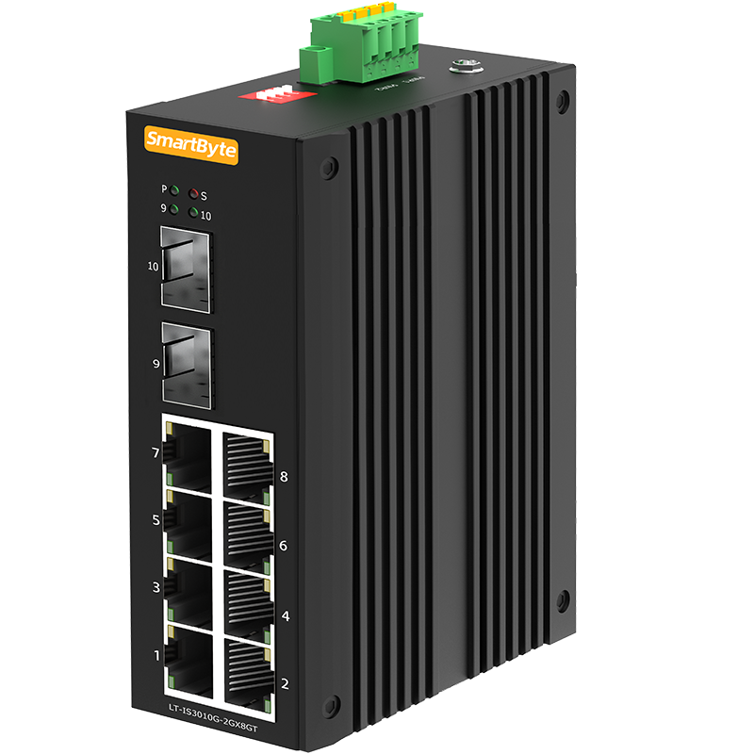 | LT-IS3010G-2GX8GT | ●8*10/100/1000M RJ45 ports, 2*1000Base-X SFP (/SC/ST/FC optional) fiber ports ● DC 12~58V input, redundant power supply with polarity reverse/over-voltage protection ● Powerful Dip switch function: 1..Port isolation; 2. Flow control; 3. QoS; 4. Broadcast storm restrain ●Support 10K Bytes Jumbo frame ●Support 4KV surge protection and ESD: Air-15kV, Contact-8kV Protection ●IP40 fan-less and Din-rail hardware design ● Operation temperature: -40 ℃ ~+75℃ | ￥260
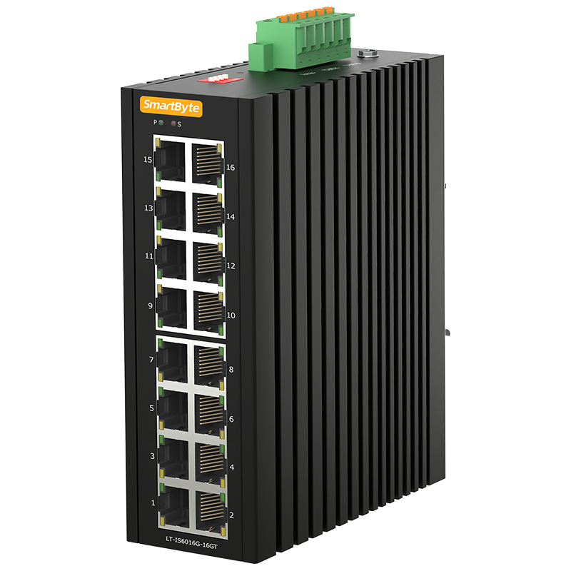 | LT-IS6016G-16GT | ●16*10/100/1000Base-T RJ45 ports ● Redundant power DC 12-58V input with polarity reverse/over-voltage/over-current protection ● Powerful Dip switch function: 1..Port isolation; 2. Flow control; 3. QoS; 4. Broadcast storm restrain ●Support one output relay alarm for DC power failure ●Support 6KV surge protection and ESD: Air-15kV, Contact-8kV Protection ●IP40 fan-less and Din-rail hardware design ● Operation temperature: -40 ℃ ~+75℃ | ￥510
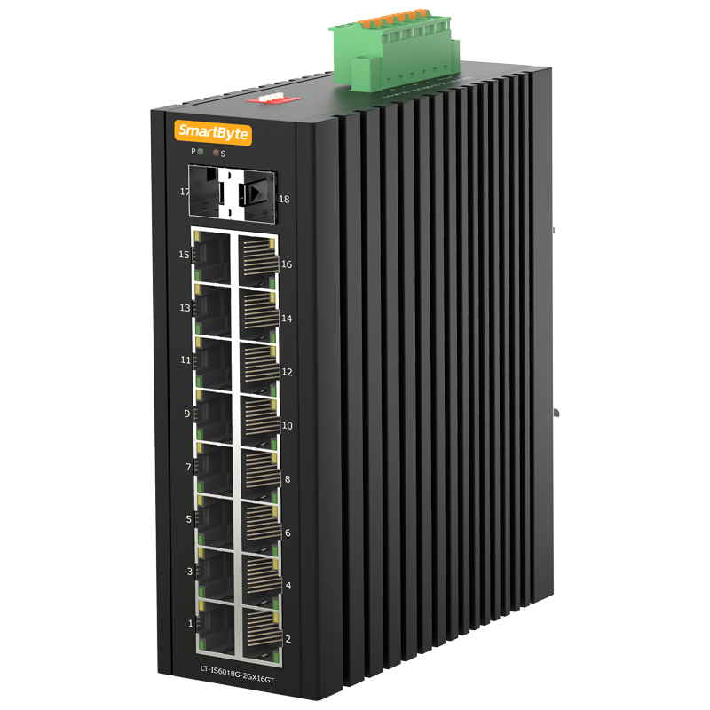 | LT-IS6018G-2GX16GT | ●16*10/100/1000Base-T RJ45 ports, 2*1000Base-X SFP slots ● Redundant power DC 12-58V input with polarity reverse/over-voltage/over-current protection ● Powerful Dip switch function: 1.Link aggregation; 2. Flow control; 3. QoS; 4. Broadcast storm restrain ●Support one output relay alarm for DC power failure ●Support 6KV surge protection and ESD: Air-15kV, Contact-8kV Protection ●IP40 fan-less and Din-rail hardware design ● Operation temperature: -40 ℃ ~+75℃ | ￥790
Unmanaged Industrial PoE Switches
 | LT-IS3005FP-1FX4TX | ●4*10/100Base-TX RJ45 PoE ports, 1*100Base-FX SFP(/SC/ST/FC optional) fiber port ● DC 44~57V input, redundant power supply with polarity reverse/over-voltage protection ●Complies with IEEE802.3af PoE and IEEE802.3at PoE+ standard ● Powerful Dip switch function: 1.Port isolation; 2. 250m long distance; 3. QoS; 4.PoE watchdog ●Support 4KV surge protection and ESD: Air-15kV, Contact-8kV Protection ●IP40 fan-less and Din-rail hardware design ● Operation temperature: -40 ℃ ~+75℃ | ￥170
 | LT-IS3005FP-5TX | ●4*10/100Base-TX RJ45 PoE ports downlink , 1*10/100Base-TX RJ45 port uplink ● DC 44~57V input, redundant power supply with polarity reverse/over-voltage protection ●Complies with IEEE802.3af PoE and IEEE802.3at PoE+ standard ● Powerful Dip switch function: 1.Port isolation; 2. 250m long distance; 3. QoS; 4.PoE watchdog ●Support 4KV surge protection and ESD: Air-15kV, Contact-8kV Protection ●IP40 fan-less and Din-rail hardware design ● Operation temperature: -40 ℃ ~+75℃ | ￥162
 | LT-IS3006FP-2FX4TX | ● 4*10/100Base-TX RJ45 ports, 2*100Base-FX SFP fiber ports ● DC 44~57V input, redundant power supply with polarity reverse/over-voltage protection ● Powerful Dip switch function: 1.Port isolation; 2. 250m long distance; 3. QoS; 4.PoE watchdog ●Support 4KV surge protection and ESD: Air-15kV, Contact-8kV Protection ●IP40 fan-less and Din-rail hardware design ● Operation temperature: -40 ℃ ~+75℃ | ￥180
 | LT-IS3008FP-8TX | ● 8*10/100M RJ45 ports(No.8 is uplink port) ● DC 44~57V input, redundant power supply with polarity reverse/over-voltage protection ● Powerful Dip switch function: 1.Port isolation; 2. 250m long distance; 3. QoS; 4.PoE watchdog ●Support 10K Bytes Jumbo frame ●Support 4KV surge protection and ESD: Air-15kV, Contact-8kV Protection ●IP40 fan-less and Din-rail hardware design ● Operation temperature: -40 ℃ ~+75℃ | ￥196
 | LT-IS3009FP-1FX8TX | ● 8*10/100Base-TX RJ45 ports, 1*100Base-FX SFP(/SC/ST/FC optional) fiber port ● DC 44~57V input, redundant power supply with polarity reverse/over-voltage protection ● Powerful Dip switch function: 1.Port isolation; 2. 250m long distance; 3. QoS; 4.PoE watchdog ●Support 4KV surge protection and ESD: Air-15kV, Contact-8kV Protection ●IP40 fan-less and Din-rail hardware design ● Operation temperature: -40 ℃ ~+75℃ | ￥215
 | LT-IS3005GP-5GT | ● 4*10/100/1000Base-T PoE downlink, 1*10/100/1000Base-T RJ45 uplink ● DC 44~57V input, redundant power supply with polarity reverse/over-voltage protection ●Complies with IEEE802.3af PoE and IEEE802.3at PoE+ standard ● Powerful Dip switch function: 1.Port isolation; 2. 250m long distance; 3. QoS(1-2 ports); 4.PoE watchdog ●Support 10K Bytes Jumbo frame ●Support 4KV surge protection and ESD: Air-15kV, Contact-8kV Protection ● IP40 fan-less and Din-rail hardware design ● Operation temperature: -40 ℃ ~+75℃ | ￥174
 | LT-IS3005GP-1GX4GT | ● 4*10/100/1000Base-T PoE downlink, 1*1000Base-X SFP uplink ● DC 44~57V input, redundant power supply with polarity reverse/over-voltage protection ●Complies with IEEE802.3af PoE and IEEE802.3at PoE+ standard ● Powerful Dip switch function: 1.Port isolation; 2. 250m long distance; 3. QoS(1-2 ports); 4.PoE watchdog ●Support 10K Bytes Jumbo frame ●Support 4KV surge protection and ESD: Air-15kV, Contact-8kV Protection ● IP40 fan-less and Din-rail hardware design ● Operation temperature: -40 ℃ ~+75℃ | ￥190
 | LT-IS3006GP-1GT1GX4GT | ● 4*10/100/1000M RJ45 ports downlink, 1*1000Base-X SFP port and 1*10/100/1000Base-T RJ45 port uplink ● DC 44~57V input, redundant power supply with polarity reverse/over-voltage protection ● Powerful Dip switch function: 1.Port isolation; 2. 250m long distance; 3. QoS(1-2 ports); 4.PoE watchdog ●Support 10K Bytes Jumbo frame ●Support 4KV surge protection and ESD: Air-15kV, Contact-8kV Protection ●IP40 fan-less and Din-rail hardware design ● Operation temperature: -40 ℃ ~+75℃ | ￥210
 | LT-IS3006GP-2GX4GT | ● 4*10/100/1000Base-T RJ45 PoE ports, 2*1000Base-X SFP ports ● DC 44~57V input, redundant power supply with polarity reverse/over-voltage protection ●Complies with IEEE802.3af PoE and IEEE802.3at PoE+ standard ● Powerful Dip switch function: 1.Port isolation; 2. 250m long distance; 3. QoS(1-2 ports); 4.PoE watchdog ●Support 10K Bytes Jumbo frame ●Support 4KV surge protection and ESD: Air-15kV, Contact-8kV Protection ● IP40 fan-less and Din-rail hardware design ● Operation temperature: -40 ℃ ~+75℃ | ￥196
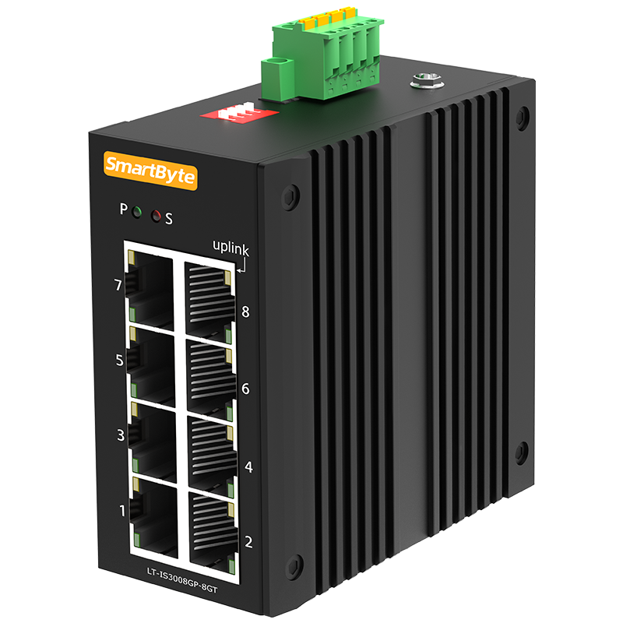 | LT-IS3008GP-8GT | ● 8*10/100/1000Base-T PoE ports ● DC 44~57V input, redundant power supply with polarity reverse/over-voltage protection ●Complies with IEEE802.3af PoE and IEEE802.3at PoE+ standard ● Powerful Dip switch function: 1. Port isolation; 2. 250m long distance(1-4 ports); 3. QoS(1-2 ports); 4.PoE watchdog ●Support 10K Bytes Jumbo frame ●Support 4KV surge protection and ESD: Air-15kV, Contact-8kV Protection ● IP40 fan-less and Din-rail hardware design ● Operation temperature: -40 ℃ ~+75℃ | ￥235
 | LT-IS3010GP-2GX8GT | ● 8*10/100/1000Base-T RJ45 PoE ports, 2*1000Base-X SFP ports ● DC 44~57V input, redundant power supply with polarity reverse/over-voltage protection ●Complies with IEEE802.3af PoE and IEEE802.3at PoE+ standard ● Powerful Dip switch function: 1.Port isolation; 2. 250m long distance(1-4 ports); 3. QoS(1-2 ports); 4. PoE watchdog ●Support 10K Bytes Jumbo frame ●Support 4KV surge protection and ESD: Air-15kV, Contact-8kV Protection ● IP40 fan-less and Din-rail hardware design ● Operation temperature: -40 ℃ ~+75℃ | ￥320
 | LT-IS6012GP-4GX8GT | ● 8*10/100/1000Base-T RJ45 PoE ports, 4*1000Base-X SFP ports ● DC 44~57V input, redundant power supply with polarity reverse/over-voltage protection ●Complies with IEEE802.3af PoE and IEEE802.3at PoE+ standard ●Support one channel output relay alarm for DC power failure ● Powerful Dip switch function: 1. Link aggregation; 2. 250m long distance(1-4 ports); 3. QoS(1-2 ports); 4. PoE watchdog ●Support 10K Bytes Jumbo frame ●Support 6KV surge protection and ESD: Air-15kV, Contact-8kV Protection ● IP40 fan-less and Din-rail hardware design ● Operation temperature: -40 ℃ ~+75℃ | ￥600
 | LT-IS6016GP-16GT | ● 16*10/100/1000Base-T RJ45 PoE/PoE+ ports ● DC 44~57V input, redundant power supply with polarity reverse/over-voltage protection ●Complies with IEEE802.3af PoE and IEEE802.3at PoE+ standard ●Support one channel output relay alarm for DC power failure ● Powerful Dip switch function: 1.Link aggregation; 2. 250m long distance(1-4 ports); 3. QoS(1-2 ports) ; 4. PoE watchdog ●Support 10K Bytes Jumbo frame ●Support 6KV surge protection and ESD: Air-15kV, Contact-8kV Protection ● IP40 fan-less and Din-rail hardware design ● Operation temperature: -40 ℃ ~+75℃ | ￥670
 | LT-IS6018GP-2GX16GT | ● 16*10/100/1000Base-T RJ45 PoE ports, 2*1000Base-X SFP slots ● DC 44~57V input, redundant power supply with polarity reverse/over-voltage protection ●Complies with IEEE802.3af PoE and IEEE802.3at PoE+ standard ●Support one channel output relay alarm for DC power failure ● Powerful Dip switch function: 1.Link aggregation; 2. 250m long distance(1-4 ports); 3. QoS(1-2 ports) ; 4. PoE watchdog ●Support 10K Bytes Jumbo frame ●Support 6KV surge protection and ESD: Air-15kV, Contact-8kV Protection ● IP40 fan-less and Din-rail hardware design ● Operation temperature: -40 ℃ ~+75℃ | ￥950
备注：非管理PoE机型在非PoE机型上加价规则如下：3系4口+40RMB，3系8口+60RMB，6系8口+80RMB，6系16口+160RMB

